Sheet1
 | https://www.thebrandusa.com/system/files/Meetings/Brand%20USA%20COVID-19%20Research%20Update.pdf

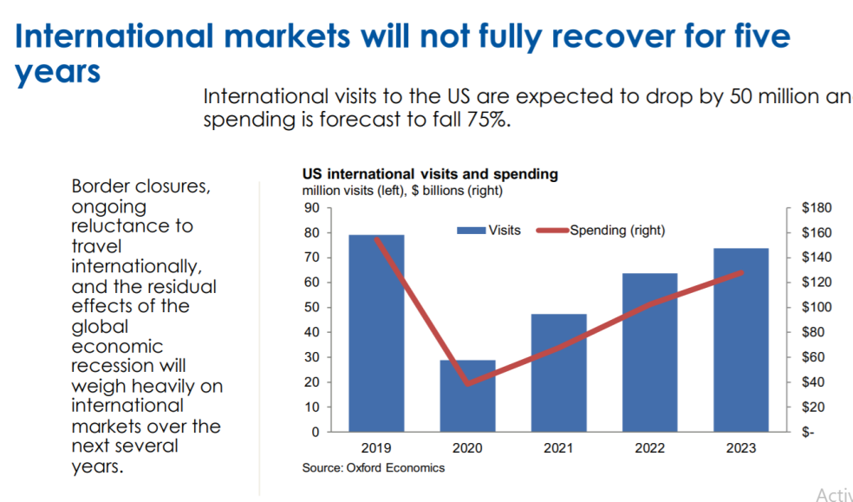
Sheet 3
International visitor spending impacts
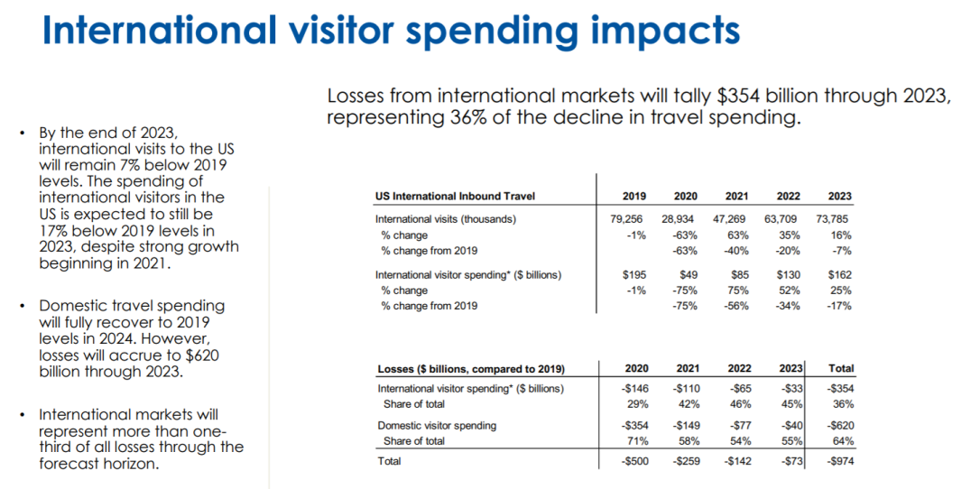

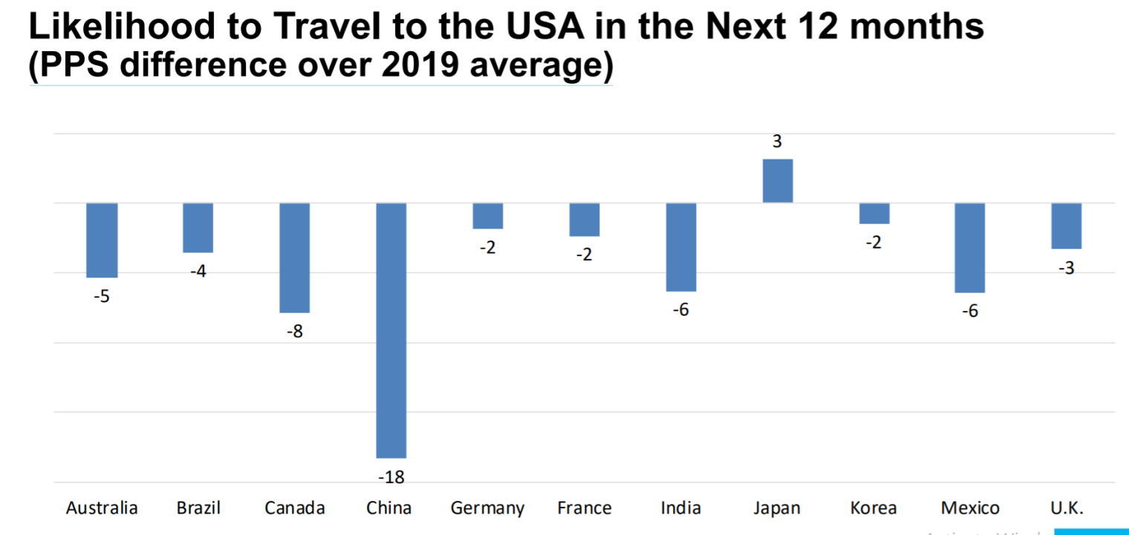
Sheet 4
Likelihood to travel to US
We are seeing substantial dips (compared to 2019) in terms of intent to visit the U.S. in the next 12 months:

The strongest dip is from China. Only Japan is actually showing an increase in intent to visit the U.S. and this is due to increased interest in traveling to relatively nearby Hawaii and Guam, which they consider familiar and safe places
The dip in intent to travel to the U.S. is stronger than to other countries and the U.S. will continue to lose market share

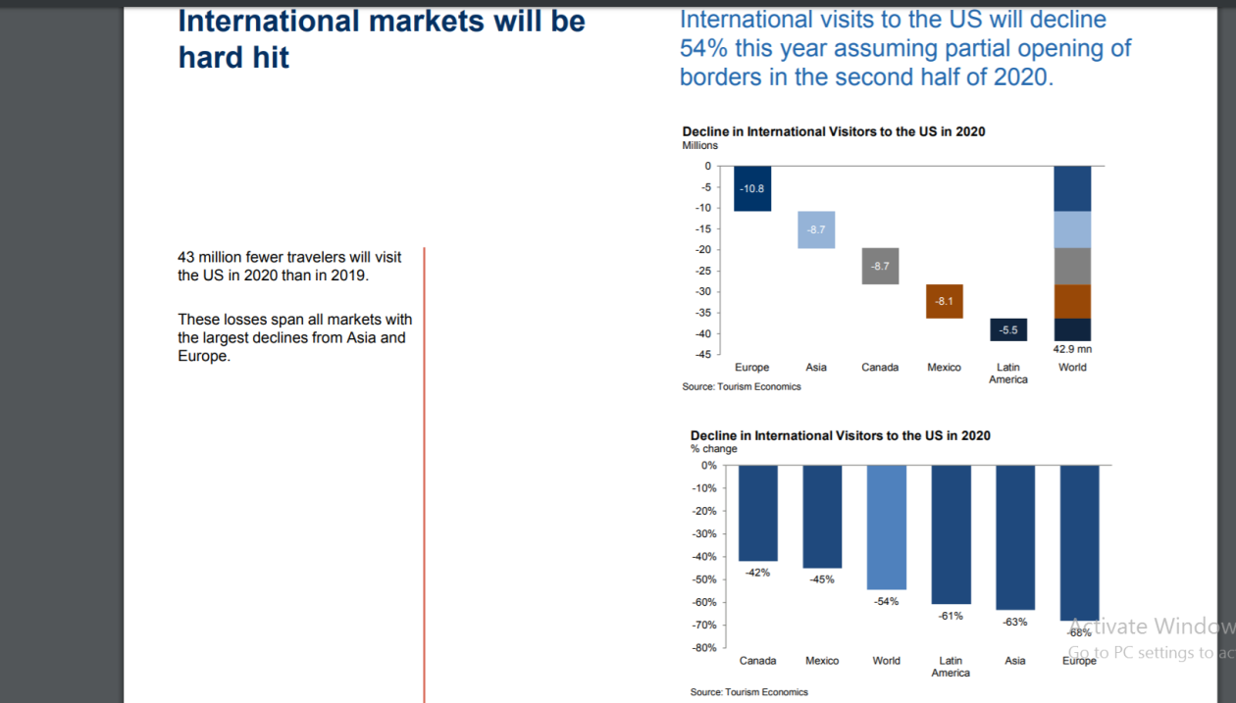
Sheet 5
Decline in International Visitors to the US in 2020

